1. Title Page
[Instacart Grocery Basket Analysis]

Project Name: Instacart Grocery Basket Analysis
Date: 5.Oct.2023
Analyst Name: Exploratory Analysis

Contents:
Population Flow
Consistency checks
Wrangling steps
Column derivations
Visualizations
Recommendations

2. Population Flow
 |  |  | Title page

Population flow

Exclusion flag
Condition: max_order <
Obervations to be removed:
Final total count of order_products_all:

Orders_products_combined
Orders_products_merged
Orders_products_all

Total:
Total:
Total:
32434489.1 | 32404859.14 | 32404859.29

1.) The grey boxes in the first row of the population flow represent the original data sets as they were when you downloaded them. In the Total fields you need to add the count of the rows when you imported the data set into Jupyter.
2.) The second row of boxes (coloured) represents the data sets after you manipulated them, e.g., removed missing values and duplicates. In the Total fields you need to add the count of the rows after conducting these operations. This offers a visual oveview of how the data flows throughout the data consistency checks.
3.) The third row, where also the arrows are coloured, represents the merges you performed between the datasets. In the Total fields you need to add the count of the rows in the merged datasets, so that you end up with the final dataset (in the red box). Keep in mind the final dataset should be without exclusions (based on the exclusion flag).

3. Consistency checks
 |  |  |  | Title page
Consistency checks

Dataset | Missing values | Missing values treatment | Duplicates
orders | 1. '206.209 missing values in the column 'median_order_frequency'. | Give a uniquen number to identify and analyse. | No Duplicates found
products | 16 Missing values in the column product_name | Droped the missing product names | 5 Duplicates found
orders_products_prior | No missing values found |  | No Duplicates found
customers | 11,259 missing values found in coustomers first name | the column only first name they had a last name | No Duplicates found
 |  | given so the columns arent deleted.

4. Wrangling steps
 |  |  |  | Title page
Wrangling steps

Columns dropped | Columns renamed | Columns' type changed | Comment/Reason
eval_set in orders dataframe | order_dow to orders_day_of_week | none | Dropping column eval_set is because its unnessary.
 |  |  | Renaming of column is because the name was not most self-explanatory.

5. Column derivations
 |  |  |  | Title page
In this tab you should add tables below that the frequences of flags/label variables that you produced after deriving them. NB: don't do this for continuous variables, only for flags.
Column derivations and aggregations

The price range of the products:
Mid-range product: 21860860 labels Low-range product: 10126321 lables High-range product: 417678 labels
Total: 32404859 labels
Busiest period of the day:
Most orders: 21118071 labels Average orders: 9997651 lables Fewest orders: 1289137 labels
Total: 32404859 labels
Busiest days of the week:
Regularly busy: 12916111 labels Busiest days: 11864412 lables Slowes days: 7624336 labels
Total: 32404859 labels
Dataset | New column | Column/s it was derived from | Conditions
orders_products_merged | max_price | prices | If the value of the 'prices' column is greater than 15, then return the string 'High-range product'. If the value within the 'prices' column is greater than 5 and less than or equal to 15, then return the string 'Mid-range product'. If the value within the 'prices' columnis less than or equal to 5, then return the string 'Low-range product'.
orders_products_merged | busiest_days | 'orders_day_of_week' | If the value of the 'orders_day_of_week' column is equal to 0 or 1, then the string 'Busiest days' is appended to the result list. If the value of the 'orders_day_of_week' column is equal to 3 or 4, then the string 'Slowes days' is appended to the result list. If neither of these conditions has been met , then a 'Regularly busy' string value is appended to the result list.
orders_products_merged | busiest_period_of_day | 'order_hour_of_day' | If the value of the 'orders_day_of_week' column is equal to 0 or 1, then the string 'Busiest days' is appended to the result list. If the value of the 'orders_day_of_week' column is equal to 3 or 4, then the string 'Slowes days' is appended to the result list. If neither of these conditions has been met , then a 'Regularly busy' string value is appended to the result list.
Spending flag:
Low spender: 31770614 labels High spender: 634245 lables
Total: 32404859 labels
Loyalty flag:
Regular customer: 15876776 labels Loyal customer: 10284093 labels FeNew customer: 6243990 labels
Total: 32404859 labels
orders_products_merged | loyalty_flag | 'max_order', that is derived from 'user_id' & 'order_number' | If the maximum orders the user has made is over 40, then the customer will be labeled a “Loyal customer.” If the maximum orders the user has made is over 10 but less than or equal to 40, then the customer will be labeled a “Regular customer.” If the maximum orders the user has made is less than or equal to 10, then the customer will be labeled a “New customer.”
orders_products_merged | spending_flag | 'mean_prices', that is derived from 'user_id' & 'prices' | If the mean of the prices of products purchased by a user is lower than 10, then flag them as a “Low spender. If the mean of the prices of products purchased by a user is higher than or equal to 10, then flag them as a “High spender.”
Frequency flag:
Frequent customer: 21559853 labels Regular customer: 7208564 lables Non-frequent customer: 3636437 labels
NaN : 5 labels
Total: 32404859 labels
orders_products_merged | frequency_flag | median_days_since_last_order' | If the median of “days_since_prior_order” is higher than 20, then the customer should be labeled a “Non-frequent customer.” If the median is higher than 10 and lower than or equal to 20, then the customer should be labeled a “Regular customer.” If the median is lower than or equal to 10, then the customer should be labeled a “Frequent customer.”
Region:
South: 10791885 lables West: 8292913 labels Midwest: 7597325 labels
Northeast: 5722736 labels
Total: 32404859 labels
ords_prods_cust_merge | region | state | If value in ['Maine', 'New Hampshire', 'Vermont', 'Massachusetts', 'Rhode Island', 'Connecticut', 'New York', 'Pennsylvania', 'New Jersey'], then region: ('Northeast') If value in ['Wisconsin', 'Michigan', 'Illinois', 'Indiana', 'Ohio', 'North Dakota', 'South Dakota', 'Nebraska', 'Kansas', 'Minnesota', 'Iowa', 'Missouri'], then region: ('Midwest') If value in ['Delaware', 'Maryland', 'District of Columbia', 'Virginia', 'West Virginia', 'North Carolina', 'South Carolina', 'Georgia', 'Florida', 'Kentucky', 'Tennessee', 'Mississippi', 'Alabama', 'Oklahoma', 'Texas', 'Arkansas', 'Louisiana'], then region: ('South') If value in ['Idaho', 'Montana', 'Wyoming', 'Nevada', 'Utah', 'Colorado', 'Arizona', 'New Mexico', 'Alaska', 'Washington', 'Oregon', 'California', 'Hawaii'], then region: ('West')
Customer Activity:
active_customer: 30964564 labels non_active_customer: 1440295 lables
Total: 32404859 labels
ords_prods_cust_merge | customer_activity | max_order | If ['max_order'] >= 5, then 'customer_activity' = 'active_customer' If ['max_order'] < 5, then 'customer_activity' = 'non-active_customer'
Age Group:
Middle Age: 12665583 values Under 40: 11164192 values Seniors: 8575084 values
Total: 32404859 labels
ords_prods_cust_merge | age_group | age | If 'age' < 40, then 'age_group' = 'Under 40' If 'age' >= 40) & 'age' < 65), then 'age_group'= 'Middle Age' If 'age' >= 65, then 'age_group' = 'Seniors'
Income Group:
Medium: 16590532 values Lower: 8100799 values
Higher: 7713528 values
Total: 32404859 labels
ords_prods_cust_merge | income_group | income | If 'spending_power' < 67000, then 'income_group' = 'Lower' If 'spending_power' >= 67000 & 'spending_power' < 130000, then 'income_group'= 'Medium' If 'spending_power' >= 130000, then 'income_group' = 'Higher'
Family_Status_Flag:
Family: 22756753 values Single adult: 8097503 values
Young parent: 1550603 values
Total: 32404859 labels
ords_prods_cust_merge | family_flag | n_dependance and fam_status | If ('marital_status' is in ('divorced/widowed','single', 'living with parents and siblings'))&('number_of_dependents'= 0), then 'family_status_flag'= 'Single adult' If ('marital_status' is in ('living with parents and siblings') &('number_of_dependents' > 0), then 'family_status_flag'= 'Young parent' If ('marital_status' is in ('divorced/widowed','single')& ('number_of_dependents' > 0), then 'family_status_flag'= 'Single adult with children' If ('marital_status' is in ('married')&('number_of_dependents'> 0),then 'family_status_flag'= 'Family' If ('marital_status' is in ('married')&('number_of_dependents'= 0),then 'family_status_flag'= 'Family without children'
Goods_Group:
Medium Sales: 16866147 values High Sales: 14878038 values
Low Sales: 660674 values
Total: 32404859 labels
Goods_Group:
Grocery Essentials: 25736251 values Non-Grocery Items: 6564890 values
Not Specified: 103718 values
Total: 32404859 labels
df_instacart | goods_group | department | If 'department' is in ('produce', 'dairy eggs', 'snacks', 'beverages', 'frozen', 'pantry', 'bakery'), then 'goods_group'= 'Grocery Essentials' If 'department' is in ('canned goods', 'deli', 'dry goods pasta', 'household', 'meat seafood', 'breakfast', 'personal care', 'babies', 'international', 'alcohol', 'pets', 'other'), then 'goods_group']= 'Non-Grocery Items' If 'department' is in ('bulk', 'missing'), then 'goods_group'= 'Not Specified'
df_instacart | goods_sales_count | department | If 'department' is in ('produce', 'dairy eggs') , then 'goods_sales_count'= 'High Sales' If 'department' is in ('snacks', 'beverages', 'frozen', 'pantry', 'bakery', 'canned goods', 'deli', 'dry goods pasta', 'household', 'meat seafood', 'breakfast', 'personal care', 'babies'), then 'goods_sales_count'= 'Mediu Sales' If 'department' is in (international', 'alcohol', 'pets', 'missing', 'other', 'bulk'), then 'goods_sales_count'= 'Low Sales'

6. Visualizations
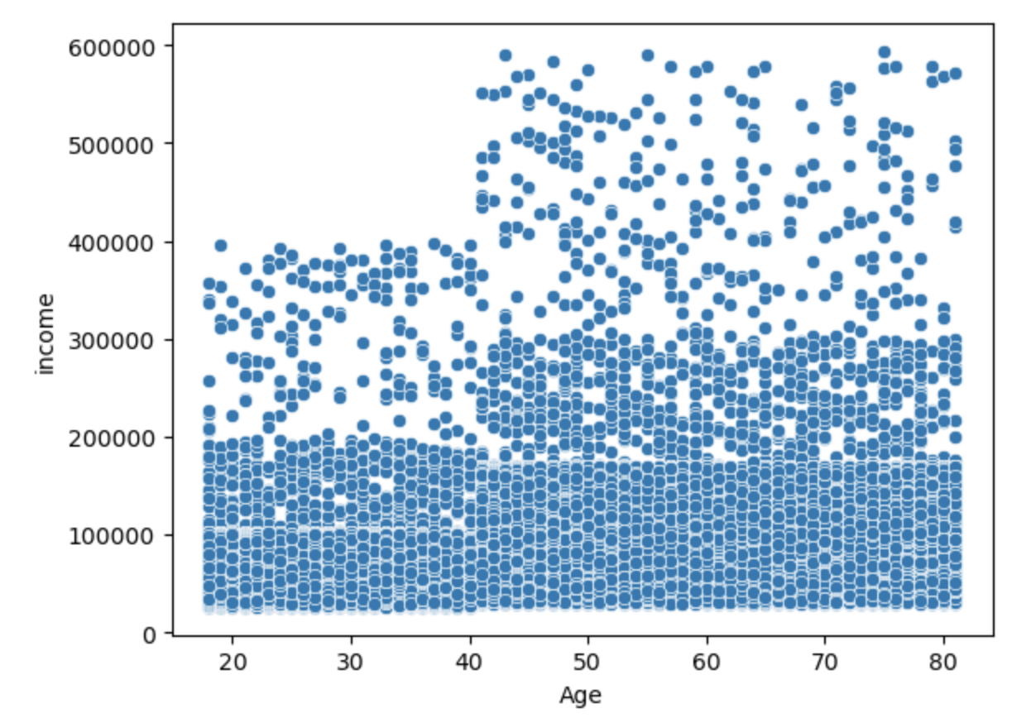
 | Title page
In this tab you should include all the visualtions from Exercises 4.9 and 4.10, alongside the questions from the project brief that they answer. Include any commentary on the relationship between different variables.
Visualisations

1: The sales team needs to know what the busiest days of the week and hours of the day are (i.e., the days and times with the most orders) in order to schedule ads at times when there are fewer orders.
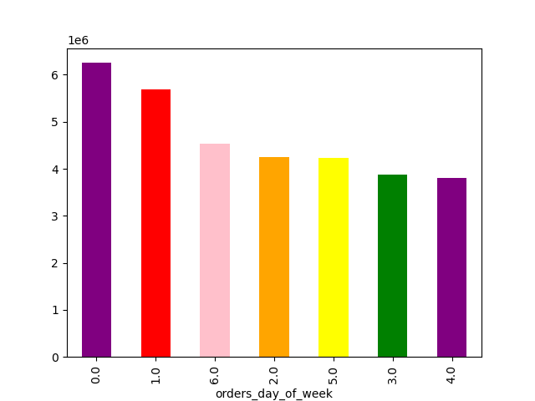
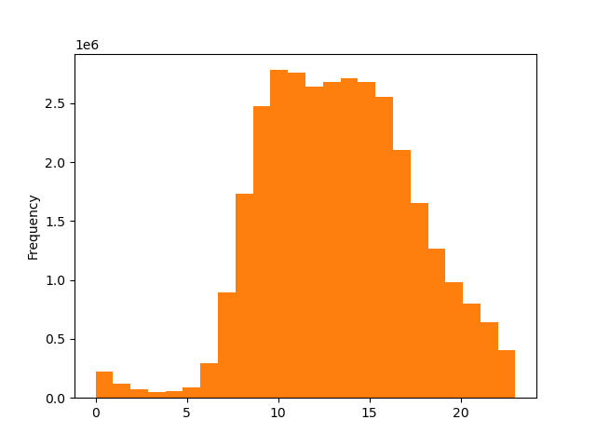
Orders across days of week

Frequency

Orders Hour of the day

Based on Visualization 1.a., the data reveals that weekends, followed by Fridays and Mondays, are the peak days of the week in terms of order activity. Conversely, Wednesdays appear to be the least busy. Meanwhile, Visualization
1.b. in the form of a histogram, indicates that there is a gradual increase in incoming orders starting at 7 AM, peaking at 10 AM, and maintaining a high level of activity until approximately 4-5 PM. This information can be valuable for the sales team's ad scheduling strategy, helping them target less busy periods for ad placement.

2: The sales team wants to know whether there are particular times of the day when people spend the most money, as this might inform the type of products they advertise at these times
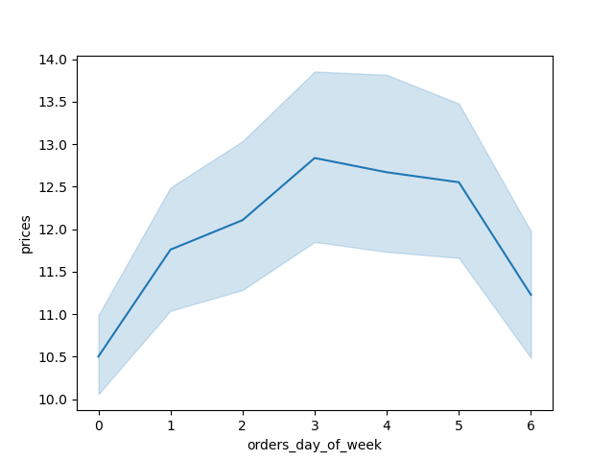
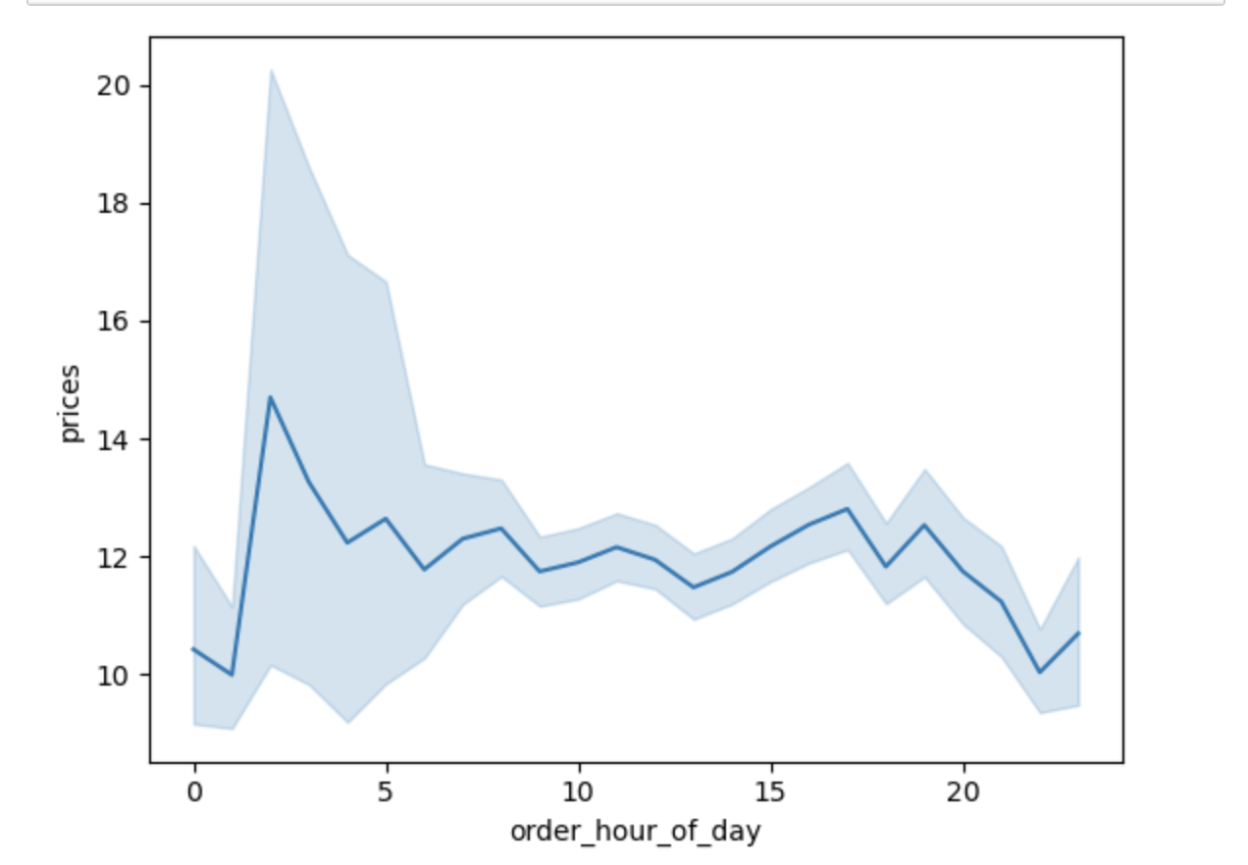

Based on Visualization 2.a. there doesn't appear to be a significant correlation between the price of items bought and the timing of these purchases. Meanwhile, Visualization
2.b. indicates that the majority of expenditures occur on Friday and Saturday. This pattern could be attributed to individuals stocking up on goods in preparation for the weekend.

3: Instacart has a lot of products with different price tags. Marketing and sales want to use simpler price range groupings to help direct their efforts
Products Prices
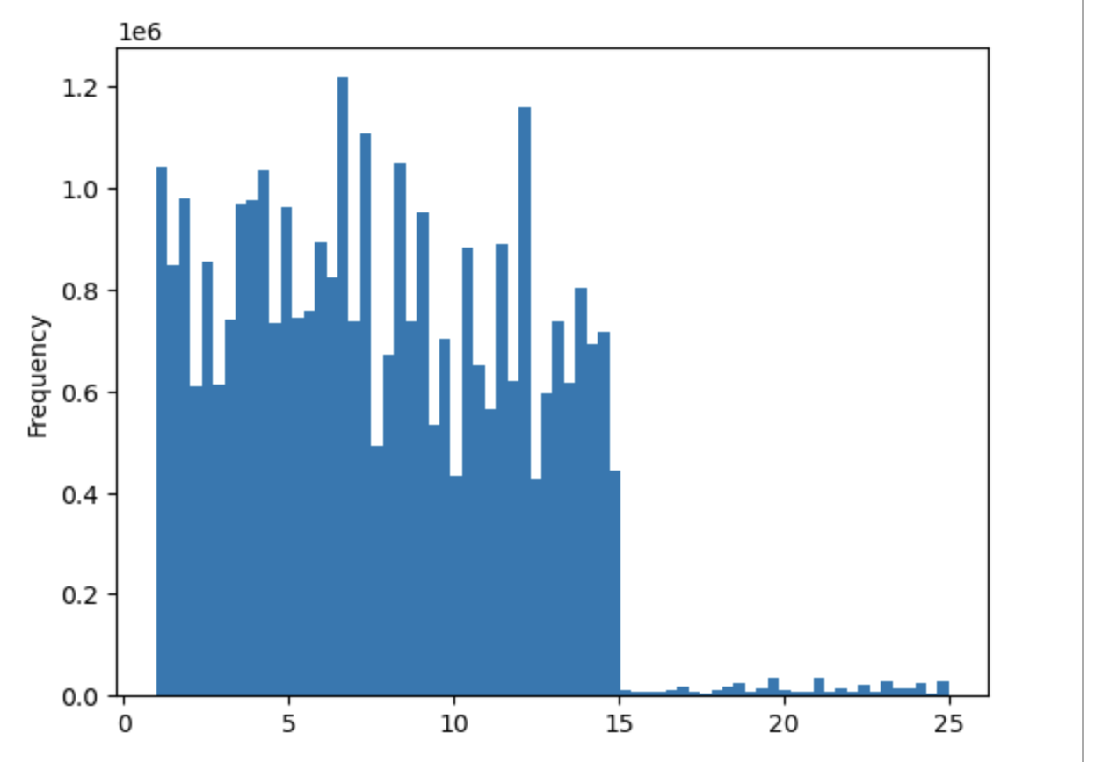

Prices

Based on Visualization : shows that the majority of items fall within the $2 to $15 price range.

5: The marketing and sales teams are particularly interested in the different types of customers in their system and how their ordering behaviors differ.
Customers Age and Family situation
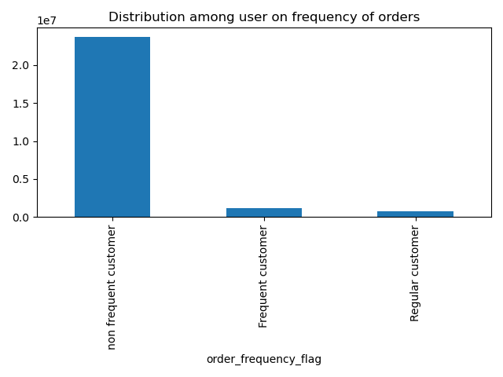
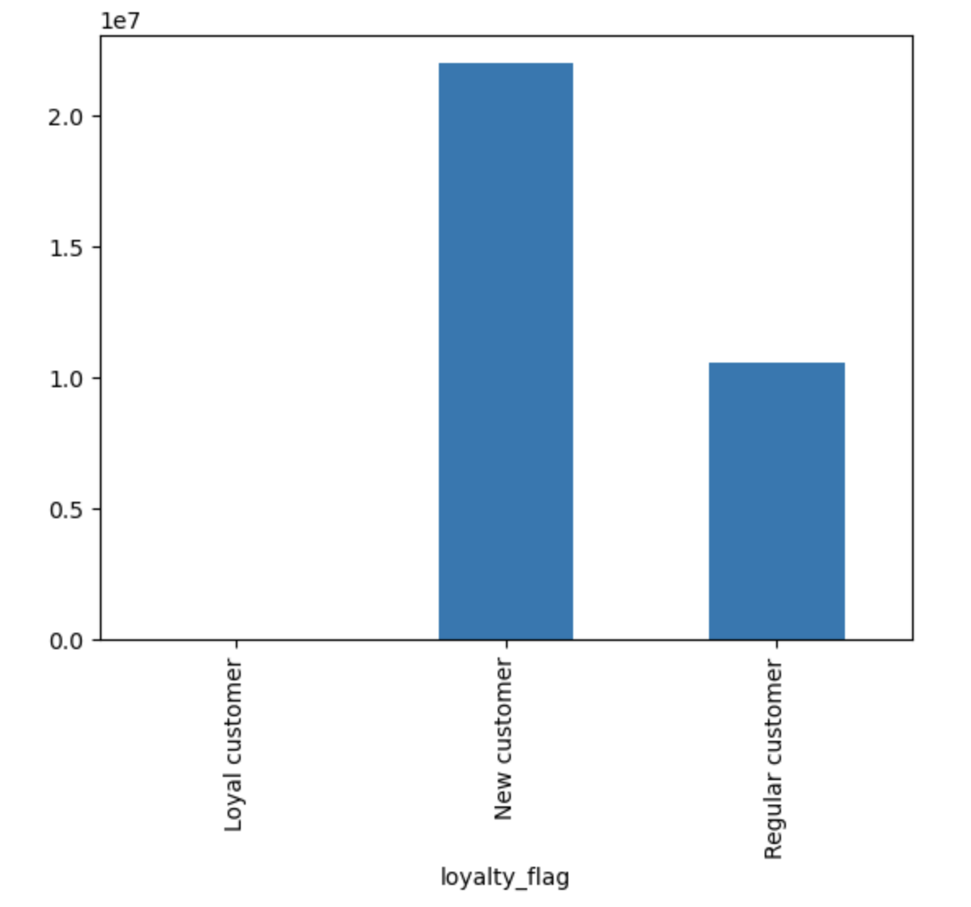
Customer Loyalty
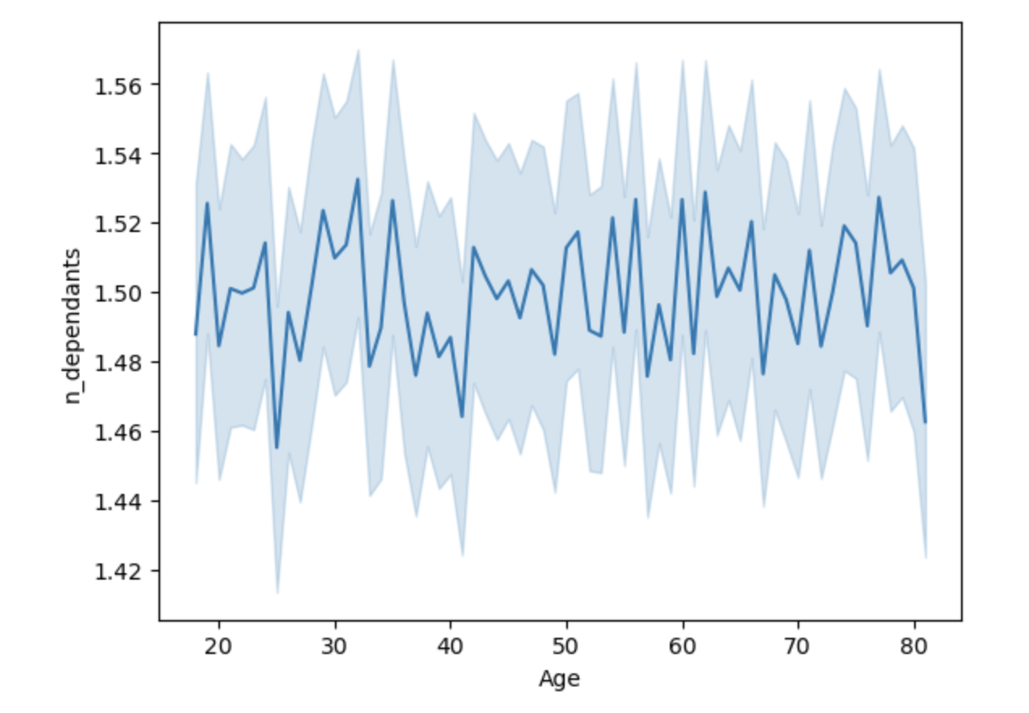

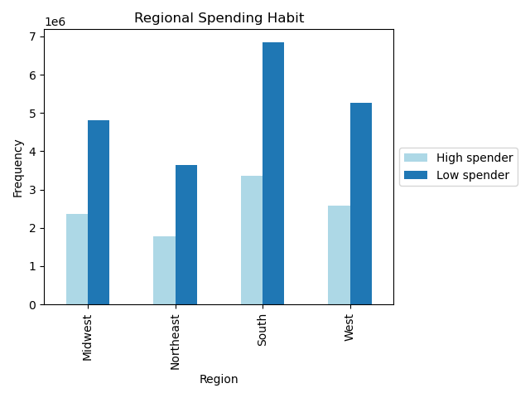
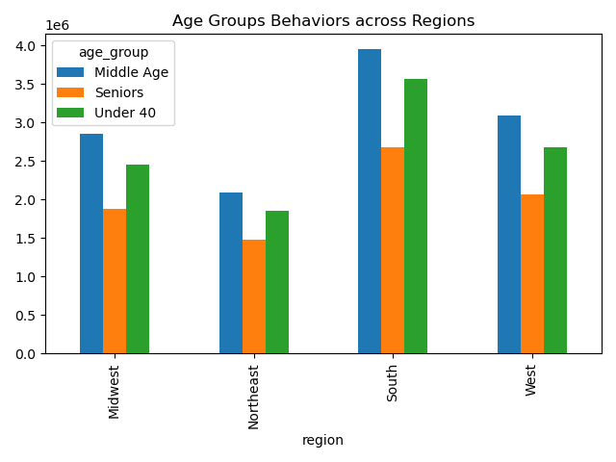
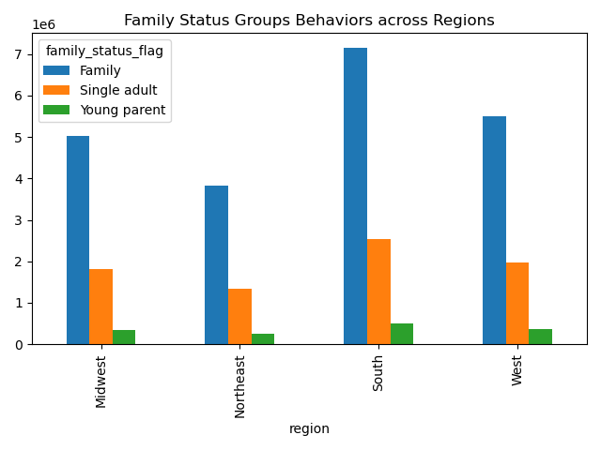

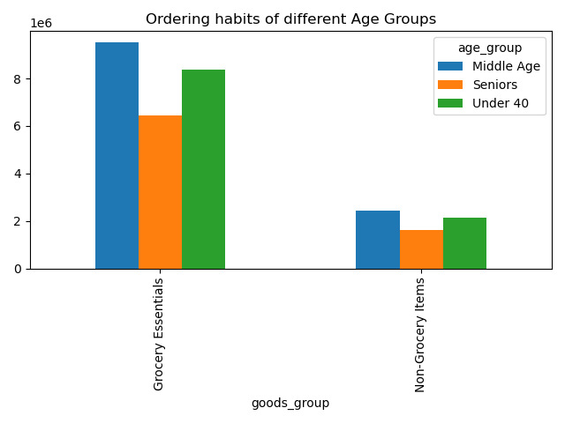
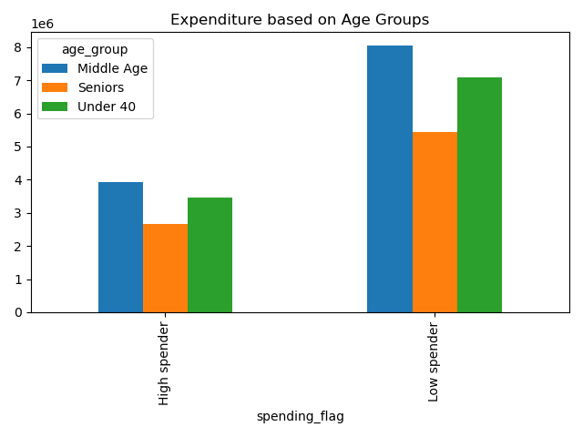
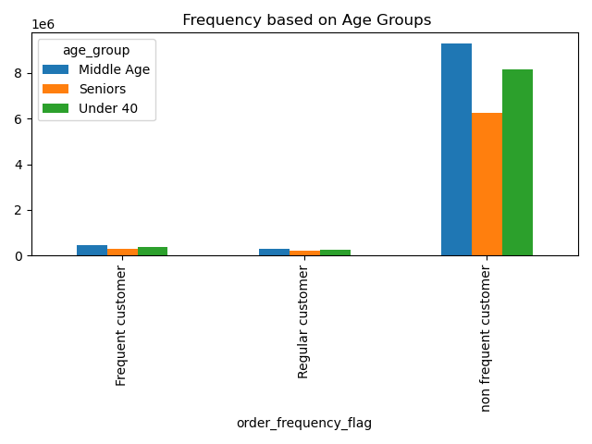
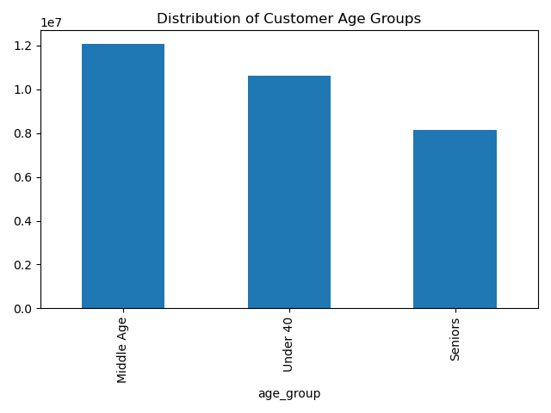

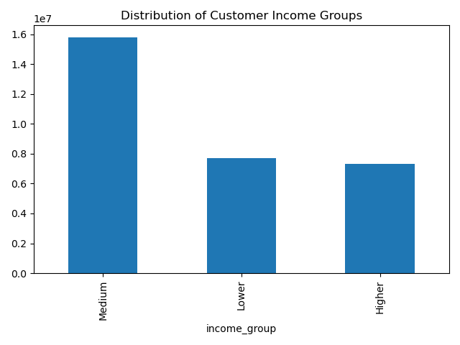
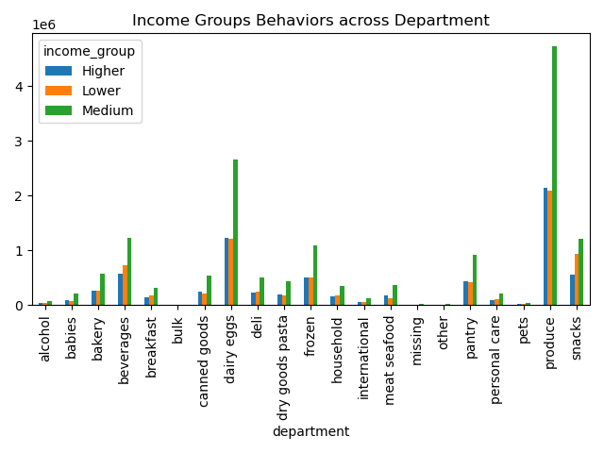
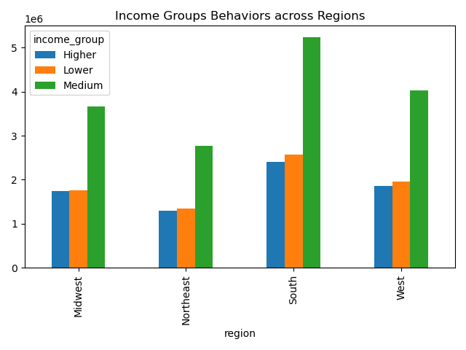

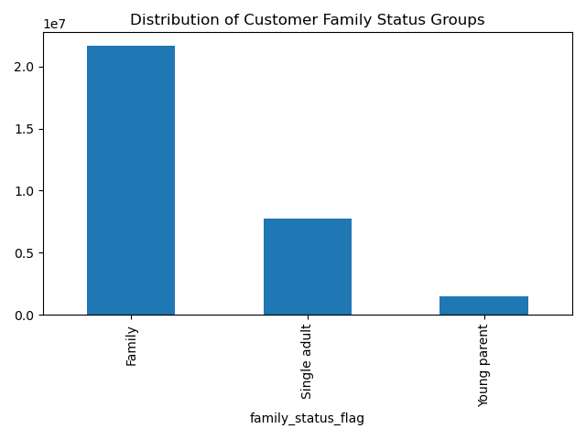
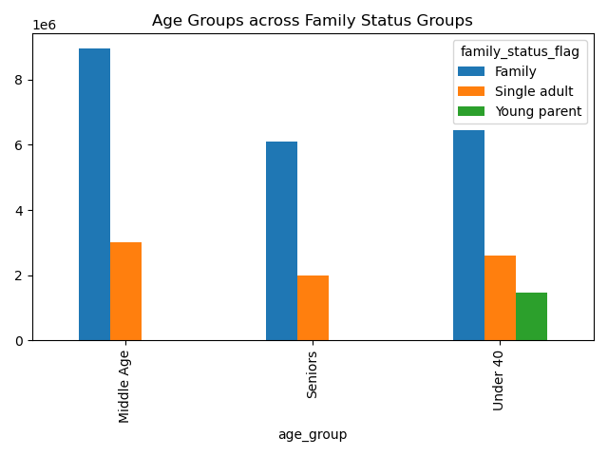
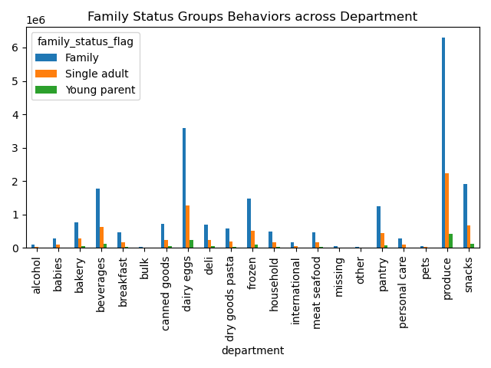

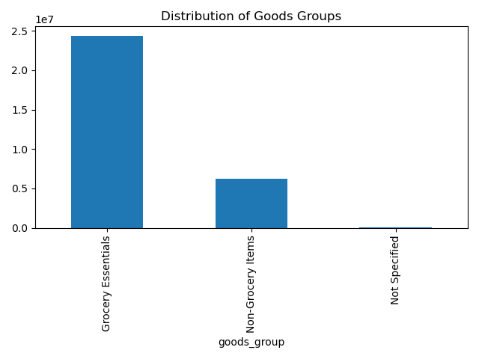
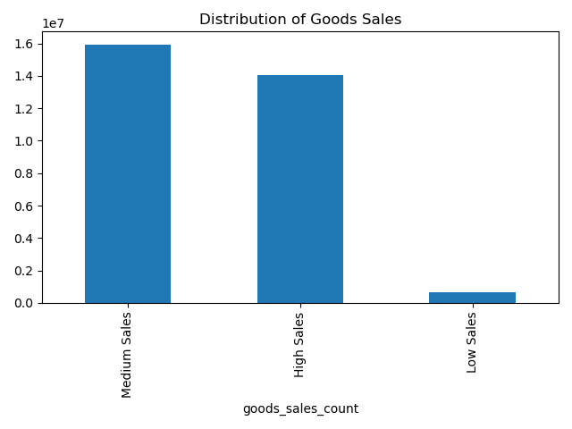

Customer Age and Income

7. Recommendations
 |  | Title page

Recommendations

In this tab you should include any recommendations you would made to Instcart in terms of their marketing strategy based on the questions posed in the brief. Every key question has been covered in the Tasks of the Exercises - here you need to add an item - a visualisation or table/crosstable that is showing the answer in the data, acompanied by a comment from you. Please, list the questions below and add the answer underneath.

Question | Answer
Key Question 1 | Schedule advertisements during the least busy periods to maximize their impact. Weekdays, especially Wednesdays, experience lower order activity, making them ideal for advertising campaigns. Consider running promotions, discounts, or special offers during these quieter days to attract more customers.
Key Question 2 | I think weekend promotions are going to work best as people stay on phones on weekends as it’s a holiday for most of them and majority of purchases happened on Friday and Saturday. To return regular customer we need to encourage payback points kind of system.
Key Question 3 | Its important to focus on mid rage products as most of the purchase price point is from $5 to $15, special pomotion and offers to be given on mid rage products for more sales.
Key Question 4 | Most popular products in instcart are grocrery items, top five are Produce, dairy,Eggs,Snacks and Beverages and Frozen items. To increase sales and frequency on these items offers can be promoted on these items to increase sales in weekdays.
Key Question 5 | Brand Loyalty is low right now to encourage, they need to push payback points system and ensure good offer prices every week on highest seeling products.
Key Question 6 | Ordering habits are different mostly due to income status and there are high spenders and low spenders depending on income.
Key Question 7 | Most of the orders are ordered from Middle age groups, so given the fact we need to customize the ads and promotions to middle age group.

